Read_me
Genotypic Technology/(SO_3156) QF/LAB/19

Dr.Udaya Kumar

This file contains the fold change for all the spots in the array

 |  |  |  | Differentially Regulated genes

 |  |  |  | Cut off used to filter up and down regulated genes

Differentially_Regulated_Genes_Set1 |  |  |  | Upregulated
 |  |  |  | For filtering upregulation, we consider flag should be Detected in the treated sample and can be compromised or Detected in the control sample and Fold >=0.8 and Geomean fold >= 1 in treated sample
Experiment Details

Slide Barcode | Samples hybridized | Analysis Plan |  | Downregulated
254769110001_1_1 | Hightype-Control-R1 | Control |  | For filtering downregulation, we consider flag can be Detected or compromised in the treated sample and should be Detected in the control sample in the treated sample and Fold <=-0.8 and Geomean fold <= -1 in the treated sample
254769110001_1_2 | Hightype-Control-R2
254769110001_1_3 | Hightype-Stress-R1 | Test
254769110001_1_4 | Hightype-Stress-R2
 |  |  |  | Expression fold values are provided in terms of log base 2 (Formating of color)
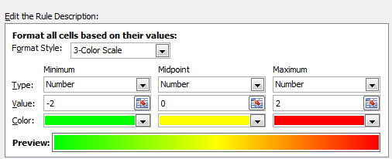
Summary of differentially regulated genes

Samples hybridized | Analysis plan | Up | Down
Hightype-Stress-R1 | Test | 3382 | 3781
Hightype-Stress-R2

Flagging Criteria:
Compromised: If the gProcessedSignal value is less than the background intensity
Detected: If the gProcessedSignal value is above background intensity

Column Header | Description
ProbeName | Unique probe identifier
Fold_Hightype-Control-R1 | Fold change calculated is log base 2
Flag_Hightype-Control-R1 | Detected or compromised
Fold_Hightype-Control-R2 | Fold change calculated is log base 2
Flag_Hightype-Control-R2 | Detected or compromised
GeoMean_Fold_Control | Average Fold change for the replicates calculated is log base 2
Fold_Hightype-Stress-R1 | Fold change calculated is log base 2
Flag_Hightype-Stress-R1 | Detected or compromised
Fold_Hightype-Stress-R2 | Fold change calculated is log base 2
Flag_Hightype-Stress-R2 | Detected or compromised
GeoMean_Fold_Test | Average Fold change for the replicates calculated is log base 2
p-Value | Volcano Plot p- value
gProcessedSignal_Hightype-Control-R1 | Background substracted signal intensity
gProcessedSignal_Hightype-Control-R2 | Background substracted signal intensity
gProcessedSignal_Hightype-Stress-R1 | Background substracted signal intensity
gProcessedSignal_Hightype-Stress-R2 | Background substracted signal intensity
ProbeName | Unique probe identifier
accessions | Accesion from Rice Indica cdna Database
Sequence | Probe sequence
Description | Probe description
GeneName | Gene Name
SystematicName | Systematic Name
Chromosome | Chromosome No.
Start
End
Strand
GO | GO Term
InterPro

